sales of each chocolate
Geography | India
Total Amount of each chocolate |  |  |  | Geography | India
Row Labels | Sum of Amount |  |  | Total Amount of each chocolate
50% Dark Bites | 25347 |  |  | Sum of Amount
70% Dark Bites | 7161 |  |  | 517993 |  | 517993
85% Dark Bars | 27986
99% Dark & Pure | 23037
Product Sales by Geography
After Nines | 27055
Almond Choco | 18928 | Top 5 Chocolates |  | Geography | India
Baker's Choco Chips | 34034 |  |  | Total Amount of each chocolate
Caramel Stuffed Bars | 28294 | Row Labels | Sum of Amount | Sum of Amount
Choco Coated Almonds | 25963 | Baker's Choco Chips | 34034 | 517993
Drinking Coco | 35518 | Drinking Coco | 35518
Eclairs | 32529 | Eclairs | 32529
Fruit & Nut Bars | 33754 | Fruit & Nut Bars | 33754
Manuka Honey Choco | 13167 | Mint Chip Choco | 32081
Milk Bars | 10584 | Grand Total | 167916
Mint Chip Choco | 32081
Orange Choco | 31003
Organic Choco Syrup | 25543
Peanut Butter Cubes | 22302
Raspberry Choco | 15834
Smooth Sliky Salty | 10101
Spicy Special Slims | 26782
White Choc | 10990
Grand Total | 517993

Dashboard on Sales Analysis
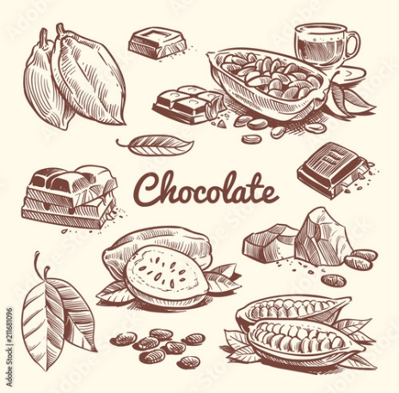
SALES PERFORMANCE REPORT-DASHBOARD


 | Total Sales | Total Customers

517993
21675

Percentage of Top 5 Sales Persons Customers
 | Total
Ches Bonnell | 22.08%
Husein Augar | 21.27%
Carla Molina | 20.99%
Brien Boise | 18.01%
Gunar Cockshoot | 17.65%
Top 5 Sales Persons by Geography
 | Total
Ches Bonnell | 76825
Gigi Bohling | 65044
Gunar Cockshoot | 64134
Husein Augar | 59808
Curtice Advani | 51681

Product Wise Customers
 | Total
Raspberry Choco | 411
Milk Bars | 621
Manuka Honey Choco | 627
White Choc | 654
Fruit & Nut Bars | 657
Smooth Sliky Salty | 705
Baker's Choco Chips | 801
Almond Choco | 807
After Nines | 819
Peanut Butter Cubes | 861
99% Dark & Pure | 915
Drinking Coco | 921
70% Dark Bites | 987
Spicy Special Slims | 1083
85% Dark Bars | 1152
Eclairs | 1170
Choco Coated Almonds | 1272
Organic Choco Syrup | 1272
Orange Choco | 1275
Caramel Stuffed Bars | 1293
50% Dark Bites | 1524
Mint Chip Choco | 1848
Product Sales by Geography
 | Total
50% Dark Bites | 25347
70% Dark Bites | 7161
85% Dark Bars | 27986
99% Dark & Pure | 23037
After Nines | 27055
Almond Choco | 18928
Baker's Choco Chips | 34034
Caramel Stuffed Bars | 28294
Choco Coated Almonds | 25963
Drinking Coco | 35518
Eclairs | 32529
Fruit & Nut Bars | 33754
Manuka Honey Choco | 13167
Milk Bars | 10584
Mint Chip Choco | 32081
Orange Choco | 31003
Organic Choco Syrup | 25543
Peanut Butter Cubes | 22302
Raspberry Choco | 15834
Smooth Sliky Salty | 10101
Spicy Special Slims | 26782
White Choc | 10990

